Test Results
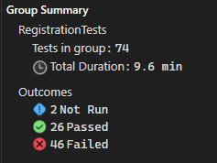

"2 Not Run" is a test method that is unrunnable

